UFS
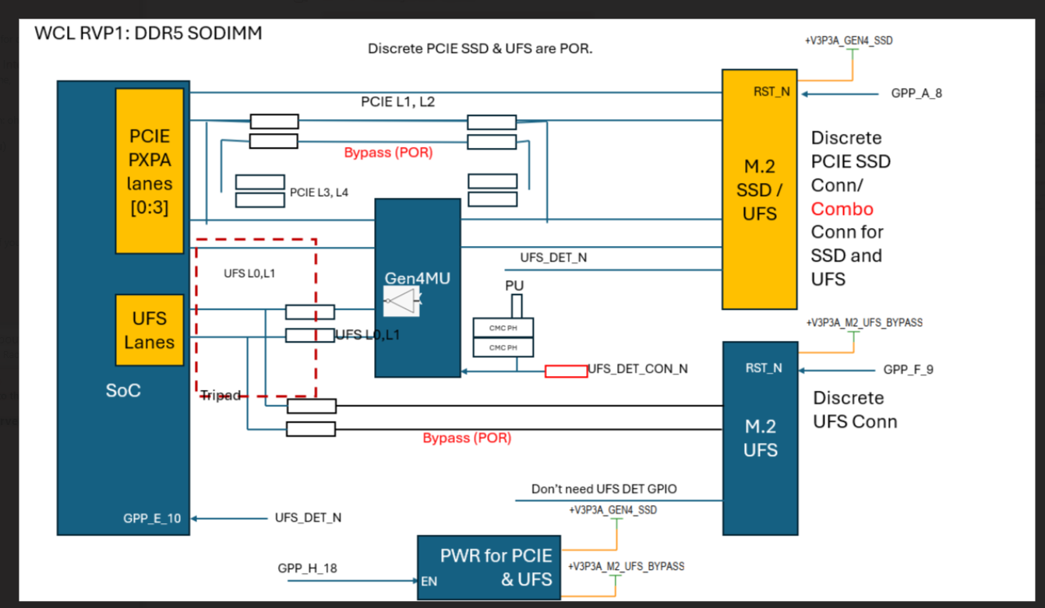
Controller | FIA | Board Config | Speed | UFS REF CLK (Default: Native for UFS CLK) | PWR EN for PCIE and UFS power | UFS Reset GPIO (Dir: Out) Active low (toggle from High to Low, and do not stay high) | UFS Present Detection GPIO (Dir: In) | RTD3 | Remarks
UFS3.x | NA | Discrete (POR) | UFS3.x G4 | GPP_D_21_UFS_REFCLK | GPP_H_18 | GPP_F_9 | N/A | N/A | BOM ID: all BOM ID except 100 for ERB & RVP1
UFS3.x | NA | Combo (Rework) | UFS3.x G4 | GPP_D_21_UFS_REFCLK | GPP_H_18 | GPP_A_8 (Share with PCIE SSD) | GPP_E_10 (High: PCIE PHY Low: UFS PHY) | N/A | BOM ID: 100 for ERB & RVP1
 |  |  |  |  |  | Learning from PTL for UFS RST GPIO.

 | expected behavior of the PHY
Board Config | GPP_E_10 | GPP_E_10 input | PCIE PHY | UFS PHY | Connector
Discrete (POR) | Don't care | Don't care | Enabled | Enabled | dedicated M.2 SSD conn & M.2 UFS conn
Combo (Rework) | Enabled | HIGH | Enabled | Disabled | Only M.2 SSD conn
 |  | LOW | Disabled | Enabled

For RVP2 GPIO Platform mapping Doc only:
Controller | FIA | Board Config | Speed | UFS REF CLK (Default: Native for UFS CLK) | PWR EN for PCIE and UFS power | UFS Reset GPIO (Dir: Out) | UFS Present Detection GPIO (Dir: In) | RTD3 | Remarks
UFS3.x | NA | for RVP2 (Discrete) | UFS3.x G4 | GPP_D_21_UFS_REFCLK | PM_SLP_S3 | GPP_F_9 | N/A | N/A | BOM ID: all RVP2

DISP
Default Configuration
Ports | DDI Port | Connector Type | Remarks | AUX | DDC | HPD
Combo Phy Port A | DDIA | eDP | eDP HBR3 speed (default) | DDIA_AUX | NA | DDSP_HPDALV
 |  | HDMI | HDMI 2.1B 6G (rework) | NA | DDPA_CLK/DATA | DDSP_HPDALV
Combo Phy Port A | DDIB | HDMI | HDMI 2.1B 6G (default) | NA | DDPB_CLK/DATA | DDSP_HPDB

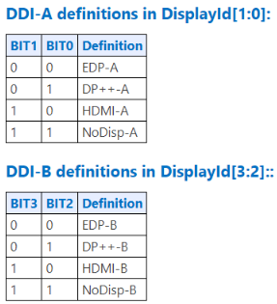
 |  |  | DISPLAY_ID (default) | 1000
 |  |  | DISPLAY_ID (rework) | 1010

 |  |  | Note : HDMI 2.1 Redriver : PI3HDX1204CZHEX (Diodes)

